Architecture
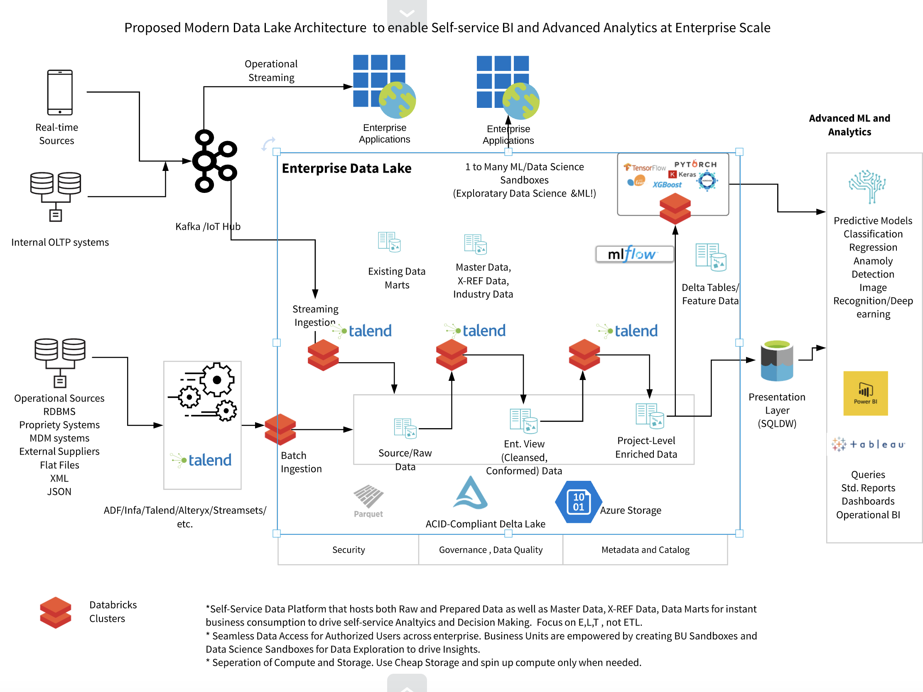
This is an example architecture. Please edit and update with details specific to your customer.

